1.2.3 TOS
Upgrade Cost Estimate
Name: | 1.2.3 TOS
Parent WBS: | 1.2 Implementation |  | MATERIALS ESTIMATE |  |  |  |  |  |  |  |  |  |  |  |  |  |  | LABOR ESTIMATE |  |  |  |  |  |  | TOTAL | SCHEDULE INPUT
Description of Scope:
Initials/Date: |  |  | Quantities |  |  |  |  |  |  | Basis of Estimate (Select One, See Table Below) |  |  |  |  |  |  |  | HOURS |  |  |  |  |  |  |  |  | SCHEDULE LOGIC

WBS (if known) | Project Year (0-10) | Description | QTY | Spare | Total | Fabricate or Procure? | Procurement Details Manufacturer, Model, P/N, Vendor | Unit Price | Total Expected Price | C1 LOE Tasks | C2 Advanced | C3 Preliminary | C4 Conceptual | C5 Pre- Conceptual | C6 Rough Estimate | Cost Estimating Technique (See Table Below) | Materials Comments/Notes (procurement lead time, shipping restrictions, etc) | ENGR ($115/hr) | CAD ($81/hr) | SHOP ($77/hr) | STUDENT ($15/hr) | Total Hours | Total Hours Cost | Labor Comments/Schedule Inputs (eg. "March" or "After Microturbine running", etc) |  | Duration (Weeks) | Predecessors | Successors | Milestone | % of total
 |  |  |  |  | 0 |  |  |  |  |  |  |  |  |  |  |  |  |  |  |  |  | 0 | $0.00 |  | $0 |  |  |  |  | 0
1.2.3.1 |  | TOS and Tower |  |  | 0 |  |  |  |  |  |  |  |  |  |  |  |  |  |  |  |  | 0 | $0.00 |  | $0 |  |  |  |  | 0
1.2.3.1.5 | 6 | Crescent Emergency Repair Kit Assembly (PY6) |  |  | 0 |  |  |  | 2500 |  |  | X |  |  |  | D | expert opinion. Linkage hardware to splice crescent belt together in-situ | 40 |  |  |  | 40 | $4,600.00 | expert opinion | $7,100 |  |  |  |  | 6
1.2.3.1.6 | 5 | Examine Interface between Dust Logger and Tower & Address as Needed |  |  | 0 |  |  |  | 2400 |  |  |  | X |  |  | D | expert opinion. may require additional sheave(s), rigging, and/or anchoring to route logger cable | 40 |  |  |  | 40 | $4,600.00 | expert opinion | $7,000 |  |  |  |  | 6
1.2.3.1.7 |  | TOS Load Cells & Encoders |  |  | 0 |  |  |  |  |  |  |  |  |  |  |  |  |  |  |  |  | 0 | $0.00 |  | $0 |  |  |  |  | 0
1.2.3.1.7.2 | 5 | Calibration Load Cell |  |  | 0 |  | MSI MSI-7300-10000 |  | 1789.08 |  | X |  |  |  |  | C | Calibration load cell | 8 |  |  |  | 8 | $920.00 | expert opinion | $2,709 |  |  |  |  | 2
1.2.3.1.7.3 | 5 | Calibration Load Cell Rigging |  |  | 0 |  | 3x chains, 2x rigging links, 2 shackles |  | 1219.51 |  | X |  |  |  |  | C | see 1.2.3 ChainWithHooks, MasterLink, Shackle_CROSBY here | 8 |  |  |  | 8 | $920.00 | expert opinion | $2,140 |  |  |  |  | 2
1.2.3.1.8 | 5 | Identify/Procure: TOS & Tower Hardware, Repair Parts (PY5) |  |  | 0 |  |  |  | 10232 |  |  | X |  |  |  | C | Includes: 4 cases (120 rolls) of driller tape x $43.60/roll = $5232 Restock (rigging, tools, etc.) est. ~$5000 Total = $10,232 | 32 |  |  |  | 32 | $3,680.00 | expert opinion | $13,912 |  |  |  |  | 11
1.2.3.1.9 | 6 | Identify/Procure: TOS & Tower Hardware, Repair Parts (PY6) |  |  | 0 |  |  |  | 9232 |  |  | X |  |  |  | C | Includes: 4 cases (120 rolls) of driller tape x $43.60/roll = $5232 Restock (rigging, tools, etc.) est. ~$4000 Total = $9,232 | 32 |  |  |  | 32 | $3,680.00 | expert opinion | $12,912 |  |  |  |  | 10
1.2.3.1.10 | 7 | Identify/Procure: TOS & Tower Hardware, Repair Parts (PY7) |  |  | 0 |  |  |  | 22992 |  |  | X |  |  |  | C | Includes: Driller tape, 50 rolls/hole x 7 holes = 350 rolls. Plus 4 cases (120 rolls) 470 rolls x $43.60/roll = $20492 Restock (rigging, tools, etc.) est. ~$2500 Total = $22,992 | 32 |  |  |  | 32 | $3,680.00 | expert opinion | $26,672 |  |  |  |  | 21
 |  |  |  |  | 0 |  |  |  |  |  |  |  |  |  |  |  |  |  |  |  |  | 0 | $0.00 |  | $0 |  |  |  |  | 0
1.2.3.2 |  | Drillheads |  |  | 0 |  |  |  |  |  |  |  |  |  |  |  |  |  |  |  |  | 0 | $0.00 |  | $0 |  |  |  |  | 0
1.2.3.2.10 | 5 | Drillheads: Prepare Crates, Spares, Tools, & Docs x3 |  |  | 0 |  |  |  |  |  |  | X |  |  |  | D |  | 24 |  | 24 |  | 48 | $4,608.00 | expert opinion | $4,608 |  |  |  |  | 4
 |  |  |  |  | 0 |  |  |  |  |  |  |  |  |  |  |  |  |  |  |  |  | 0 | $0.00 |  | $0 |  |  |  |  | 0
1.2.3.3 |  | Reels & Winches |  |  | 0 |  |  |  |  |  |  |  |  |  |  |  |  |  |  |  |  | 0 | $0.00 |  | $0 |  |  |  |  | 0
1.2.3.3.7 | 4 | Main Drill Cable Reel/Main Hose Reel Load Sharing (PY4) PY4 task, not captured here |  |  | 0 |  |  |  |  |  |  |  |  |  |  |  |  |  |  |  |  | 0 | $0.00 |  | $0 |  |  |  |  | 0
1.2.3.3.7.5 | 5 | Load Sharing: Full-scale Testing - Load Share & Tuning (PY5) Placeholder, no resources |  |  | 0 |  |  |  |  |  |  |  |  |  |  |  |  | 0 |  |  |  | 0 | $0.00 |  | $0 |  |  |  |  | 0
1.2.3.3.9 | 5 | Reels & Winches: Drill Reels Sliprings - Final Testing & Prep |  |  | 0 |  |  |  |  |  |  | X |  |  |  | D |  | 16 |  |  |  | 16 | $1,840.00 | expert opinion | $1,840 |  |  |  |  | 1
1.2.3.3.10 | 5 | Reels & Winches: TU20 Sliprings - Spec, Procure, Test |  |  | 0 |  |  |  | 8412.8 |  |  | X |  |  |  | C | 2x slipring assemblies are requiredUsing MDCR slipring as reference ($2672/ea), + 20% for increased size/channelsAlso add $1000/assem for connectors and interface hardware | 160 |  |  |  | 160 | $18,400.00 | expert opinion. Engineering to define requirements, spec, procure, design interface. Wire and test, interface hardware. | $26,813 |  |  |  |  | 21
1.2.3.3.11 | 6 | Reels & Winches: Reel Components & Spares (PY6). TU20 brakes |  |  | 0 |  |  |  | 8770 |  |  | X |  |  |  | C | 3x My-Tee capstan winches @ $2090/ea (2x TOSes plus spare) Also add $2500 for backup hand drill chucks and drill (RWCR & RWHR), and electronic parts for TU20 brake controllers | 80 |  | 40 |  | 120 | $12,280.00 | expert opinion. Procurements, wiring, and tech hardware build | $21,050 |  |  |  |  | 17
 |  |  |  |  |  |  |  |  |  |  |  |  |  |  |  |  |  |  |  |  |  |  |  |  |  |  |  |  |  | 0
 |  |  |  |  | 0 |  |  |  |  |  |  |  |  |  |  |  |  |  |  |  |  | 0 | $0.00 |  | $0 |  |  |  |  | 0
 |  |  |  |  | 0 |  |  |  |  |  |  |  |  |  |  |  |  |  |  |  |  | 0 | $0.00 |  | $0 |  |  |  |  | 0
 |  |  |  |  | 0 |  |  |  |  |  |  |  |  |  |  |  |  |  |  |  |  | 0 | $0.00 |  | $0 |  |  |  |  | 0
 |  |  |  |  | 0 |  |  |  |  |  |  |  |  |  |  |  |  |  |  |  |  | 0 | $0.00 |  | $0 |  |  |  |  | 0

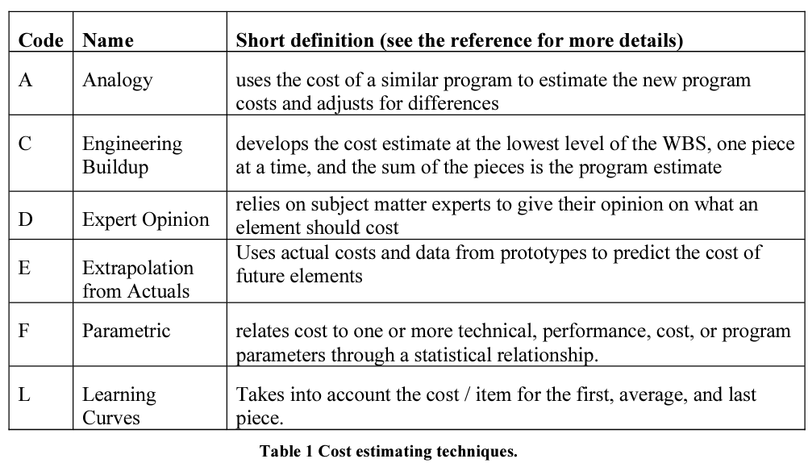
 |  |  |  |  |  |  |  |  | $67,547.39 | Total Expected Materials Cost |  |  |  |  |  |  |  | 472 | 0 | 64 | 0 | 536 | $46,928.00 | Total Hours Cost | $126,755
 |  |  |  |  |  |  |  |  |  |  |  |  |  |  |  |  |  |  |  |  |  |  |  |  |  |  | Schedule Logic Terms that can be used:
 |  |  |  |  |  |  |  |  |  |  |  |  |  |  |  |  |  |  |  |  |  |  |  |  |  |  | FS = Finish-to-Start
 |  |  |  |  |  |  |  |  |  |  |  |  |  |  |  |  |  |  |  |  |  |  |  |  |  |  | SS = Start-Start
 |  |  |  |  |  |  |  |  |  |  |  |  |  |  |  |  |  |  |  |  |  |  |  |  |  |  | FF = Finish-Finsh
 |  |  |  |  |  |  |  |  |  |  |  |  |  |  |  |  |  |  |  |  |  |  |  |  |  |  | SF = Start-to-Finish

